WBS no numbers
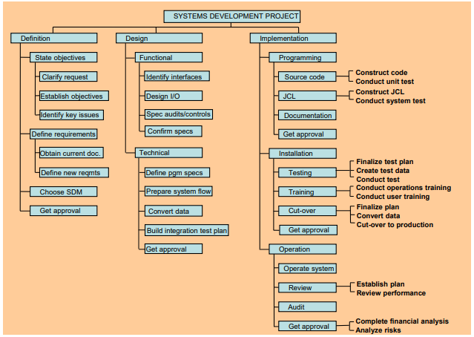
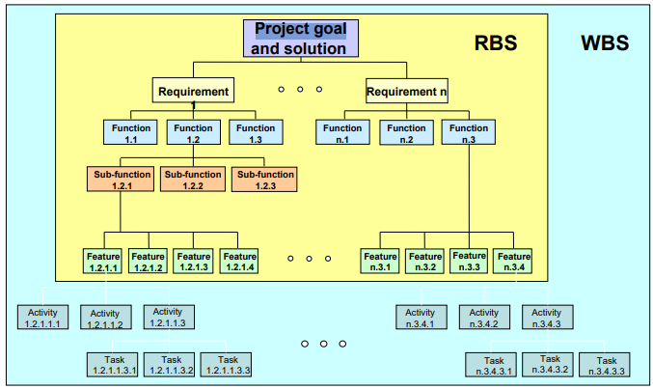
1. Deliverymeds - Provide drones to Wilmont's

1.1 Design | 1.2 Build | 1.3 Test | 1.4 Implement

1.1.1 Project Mgmt. | 1.2.1 Project Mgmt. | 1.3.1 Project Mgmt. | 1.4.1 Project Mgmt.
1.1.1.1 Client | 1.2.1.1 Client | 1.3.1.1 Client | 1.4.1.1 Client
1.1.1.1.1 Contract | 1.2.1.1.1 Communications | 1.3.1.1.1 Communications | 1.4.1.1.1 Communications
1.1.1.1.1.1 Identifying Scope | 1.2.1.1.1.1 Weekly status reports | 1.3.1.1.1.1 Weekly status updates | 1.4.1.1.1.1 Weekly status updates
1.1.1.1.1.2 Creating Budget | 1.2.1.1.1.2 Biweekly scheduled meetings | 1.3.1.1.1.2 Biweekly scheduled meetings | 1.4.1.1.1.2 Biweekly scheduled meetings
1.1.1.1.1.3 Creating Timeline
1.1.1.1.1.4 Create Indemnification/Liability Clauses | 1.2.1.2 Team | 1.3.1.2 Team | 1.4.1.1.2 Approval
1.1.1.1.1.5 Finalize Contract | 1.2.1.2.1 Staff | 1.3.1.2.1 Staff | 1.4.1.1.2.1 Approval of App
 | 1.2.1.2.1.3 Managing Test Team | 1.3.1.2.1.3 Managing Test Team | 1.4.1.1.2.2 Approval of Prototype Drones
1.1.1.1.2 Communications | 1.2.1.2.1.4 Quarterly Staff Evaluations | 1.3.1.2.1.4 Quarterly Staff Evaluations
1.1.1.1.2.1 Weekly status reports |  |  | 1.4.1.2 Team
1.1.1.1.2.2 Biweekly scheduled meetings | 1.2.1.2.2 Communications | 1.3.1.2.2 Communications | 1.4.1.2.1 Staff
 | 1.2.1.2.2.1 Weekly status reports from staff | 1.3.1.2.2.1 Weekly status reports from staff | 1.4.1.2.1.1 Managing Test Team
1.1.1.2 Team | 1.2.1.2.2.2 Weekly staff meetings | 1.3.1.2.2.2 Weekly staff meetings | 1.4.1.2.1.2 Quarterly Staff Evaluations
1.1.1.2.1 Staff
1.1.1.2.1.1 PM Techniques (RACI) | 1.2.1.2.3 Quality Assurance |  | 1.3.1.2.2 Communications
1.1.1.2.1.2 Team Building Exercises | 1.2.1.2.3.1 Performing cost analysis reports weekly | 1.3.2 Drone Testing | 1.3.1.2.2.1 Weekly status reports from staff
 | 1.2.1.2.3.2 Weekly team meetings to strive for same goal | 1.3.2.1 Flight | 1.3.1.2.2.2 Weekly staff meetings
1.1.1.2.2 Communications |  | 1.3.2.1.1 Drone Takeoff
1.1.1.2.2.1 Weekly status reports from staff | 1.2.1.2.4 Quality Control | 1.3.2.1.1.1 Test drone takeoff at DroneTech | 1.4.2 Drone Implementation
1.1.1.2.2.2 Weekly scheduled meetings | 1.2.1.2.4.1 Performing in-progress checks on code functions | 1.3.2.1.1.2 Test drone takeoff in field | 1.4.2.1 Pharmacy
 | 1.2.1.2.4.1 Weekly operational checks on software and drone features |  | 1.4.2.1.2 Training on drone use
1.1.1.3 Project |  | 1.3.2.1.2 Weather Simulation | 1.4.2.1.2.1 Providing interactive drone usage demonstrations
1.1.1.3.1 Risk Assessment | 1.2.2 Drone Prototype | 1.3.2.1.2.1 Simulate rainy & windy flight at DroneTech | 1.4.2.1.2.2 Providing prototypes to pharmacies
1.1.1.3.1.1 Perform Risk Register | 1.2.2.1 Drone Finishes | 1.3.2.1.2.2 Fly drone in field on rainy day
1.1.1.3.1.2 Establish contingency plans | 1.2.2.1.1.1 Applying logos on drones |  | 1.4.2.2 Wilmont's
 | 1.2.2.1.1.2 Painting prototype drones | 1.3.2.1.3 Geographical Constraints | 1.4.2.2.1 Providing information on repairs & maintenance
1.1.2 Drone Requirements |  | 1.3.2.1.3.1 Flight with obstructions at DroneTech | 1.4.2.2.1.1 Interactive virtual workshops on repair & maintenance
1.1.2.1 Permitting | 1.2.2.2 Additional Features | 1.3.2.1.3.2 Simulate flight in urban region of Gainesville
1.1.2.1.1 FAA | 1.2.2.2.1 Bubble Wrapping |  | 1.4.2.2.2 Provide documentation on operation of drones
1.1.2.1.1 Regulatory Research | 1.2.2.2.1.1 Manufacture parts | 1.3.2.2 Package Delivery | 1.4.2.2.2.1 Interactive virtual workshop on operation of drones
1.1.2.1.2 Permitting Documentation | 1.2.2.2.1.2 Install bubble wrapping parts | 1.3.2.2.1 Successful Delivery
1.1.2.1.3 Meeting with agency representatives |  | 1.3.2.2.1.1 Perform test flight at DroneTech | 1.4.3 App Implementation
 | 1.2.2.2.2 Temperature Control | 1.3.2.2.1.2 Measure accuracy to intended drop off location | 1.4.3.1 Pharmacy Staff
1.1.2.2 Packaging | 1.2.2.2.2.1 Manufacture parts |  | 1.4.3.1.1 Training Pharmacy Staff on app use
1.1.2.2.1 Bubble Wrapping | 1.2.2.2.2.2 Install temperature control parts | 1.3.2.2.2 Integrity of Product Delivered | 1.4.3.1.1.1 Organizing interactive app training workshops
1.1.2.2.1.1 Design bubble wrapping system |  | 1.3.2.2.2.1 Perform test flight at DroneTech | 1.4.3.1.1.2 Training pharmacy staff on information transfer
1.1.2.2.2 Temperature Control | 1.2.3 App Development | 1.3.2.2.2.2 Investigate any damage to test package
1.1.2.2.2.1 Design temperature control system | 1.2.3.1.1.1 Customer Order Coding |  | 1.4.3.1.3 Provide documentation to pharmacy
1.1.2.2.3 Size and Weight Constraints | 1.2.3.1.1.1 Customer Order Coding | 1.3.3 App Testing | 1.4.3.1.3.1 Briefing on drone handling
1.1.2.2.3.1 Calculate maximum size and weight allowed | 1.2.3.1.1.2 Customer Preference (Delivery) Coding |  | 1.4.3.1.3.2 Do's and Dont's
 | 1.2.3.1.1.3 Drone Request Coding | 1.3.3.1 User Interface | 1.4.3.2 Wilmont's Staff
1.1.3 Tech | 1.2.3.1.1.4 Order Confirmation Coding | 1.3.3.1.1 Ordering | 1.4.3.2.1 Training Wilmont's Staff on app use
1.1.3.1 App & Interface | 1.2.3.1.1.5 Communication with Server Coding | 1.3.3.1.1.1 Perform test order | 1.4.3.2.1.1 Providing Wilmont staff with documentation on app operation.
1.1.3.1.1 Design App Features |  |  | 1.4.3.2.1.2 Training Wilmont's staff on information transfer to DroneTech
1.1.3.1.1.1 Customer Order Algorithm |  | 1.3.3.1.2 Drone Preference
1.1.3.1.1.2 Customer Preference (Delivery) Algorithm |  | 1.3.3.1.2.1 Perform test drone opt-in | 1.4.3.2.3 Making Wilmont's app update available
1.1.3.1.1.3 Drone Request Algorithm |  |  | 1.4.3.2.3.1 Submitting final app update to App Store/Google Store.
1.1.3.1.1.4 Order Confirmation Algorithm |  | 1.3.3.1.3 Address Approval
1.1.3.1.1.5 Communication with Server Algorithm |  | 1.3.3.1.3.1 Perform test address input

1.1.3.2 Security |  | 1.3.3.1.4 Order Confirmation
1.1.3.2.1 HIPAA |  | 1.3.3.1.3.1 Finish test order, receive confirmation
1.1.3.2.1.1 Design code for Customer Identity Protection
 |  | 1.3.3.2 Wilmont's Interface
1.1.3.2.2 Wilmont's Business Information |  | 1.3.3.2.1.1 Perform test with Wilmont's on order receival
1.1.3.2.2.1 Design code for Wilmont's Business Information |  | 1.3.3.2.1.2 Perform test with Wilmont's on order transmittal
1.1.3.2.2.2 Meet with William Scott on a weekly basis

Screenshots
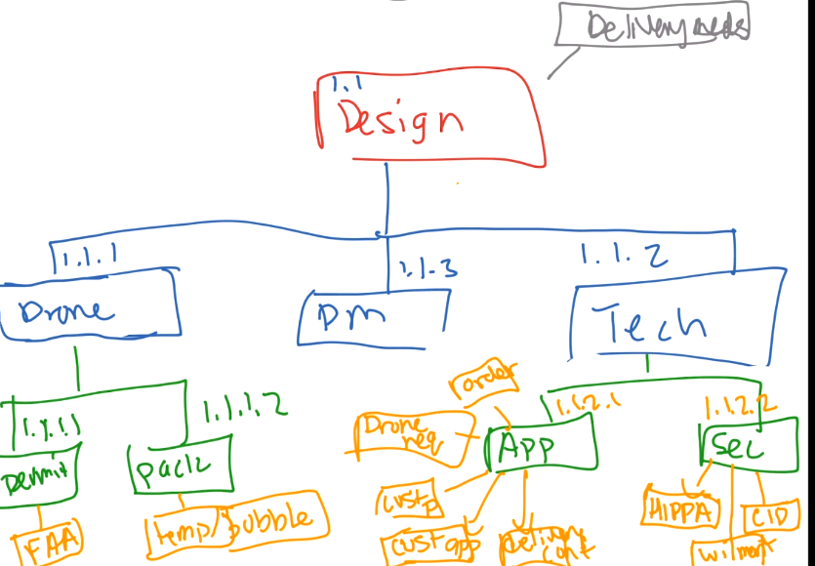
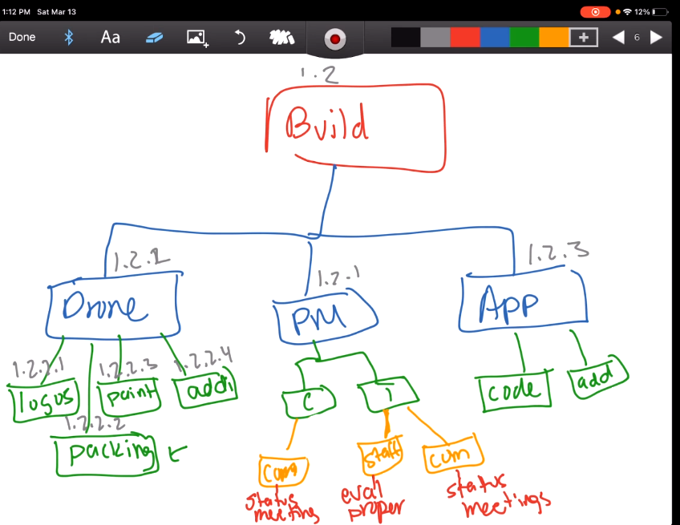
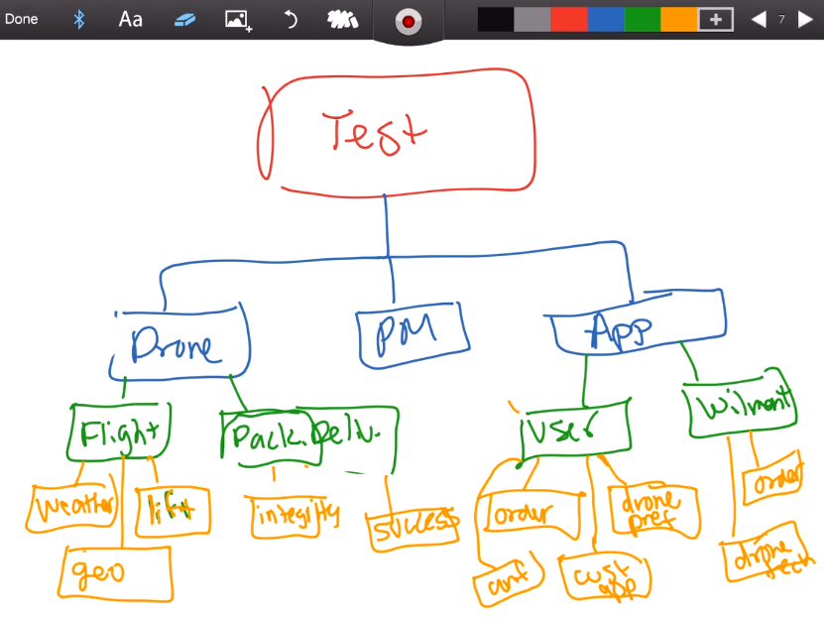
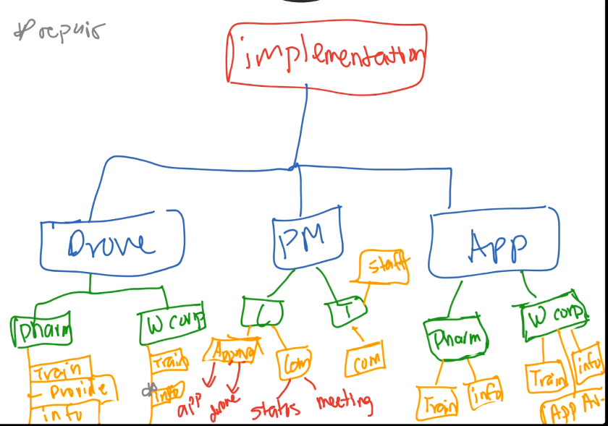

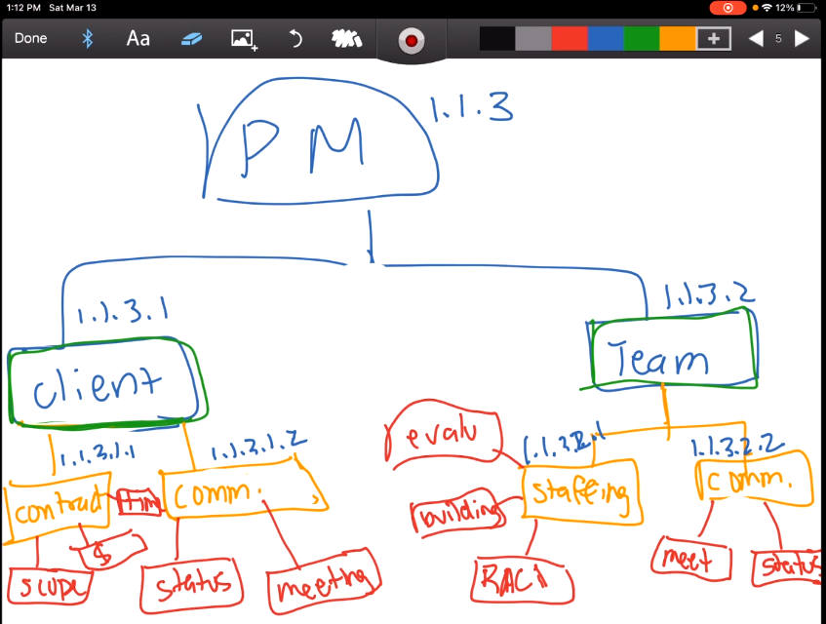

Organization (2)
Jordan Kempler
DroneTech CEO
George Cranston Wilmont's Operations VP

Anthony Noto
DroneTech PM
Phillip Greenberg
Wilmont's PM

Stephanie Williams
Senior Business Analyst
Gerald Hasper
Flight Operations Manager
Eileen Seymour
Project Lead, IT Systems
William Holt
Drone Systems Engineer
Shravani Sinha
Senior Programmer
Katie O'Ryan
Corporate Attorney
Shirley Johnson
Change Management Coordinator
James Connor
CIO
William Scott
Project Lead, Security Team
Jonathan Perry
Retail Operations Assistant
Linda Thornton
Online Customer Process Analyst
Elizabeth Walton
Senior Testing Specialist
Alan Swanson
Attorney - Legal Department

Mary Pearson
Project Lead, IT Systems Team
Gerald Peritoni
Testing Specialist

Teresa Ng
Business Analyst
Samrudh Untgod Preetham
IT Systems Technician
Ashish Nehra
Drone Systems Technician

Julie Green
Pharmacy Manager Store #35864
Steve Haskell
Pharmacy Manager Store #32185
James O'Donnell
Pharmacy Manager Store #38734
Wilma Marcy
Pharmacy Manager Store #33001

Margy Orozco
Drone Operator
Remi Dijon
Drone Operator
Rohan Shah
Programmer
Oshoriame Olorife
Programmer

Organization
James Connor
CIO

Jordan Kempler
DroneTech CEO

George Cranston Wilmont's Operations VP

Anthony Noto
DroneTech PM
Phillip Greenberg
Wilmont's PM

Stephanie Williams
Senior Business Analyst
Gerald Hasper
Flight Operations Manager
Eileen Seymour
Project Lead, IT Systems
William Holt
Drone Systems Engineer
Shravani Sinha
Senior Programmer
Katie O'Ryan
Corporate Attorney
Mary Pearson
Project Lead, IT Systems Team
William Scott
Project Lead, Security Team
Shirley Johnson
Change Management Coordinator
Elizabeth Walton
Senior Testing Specialist
Alan Swanson
Attorney - Legal Department

Jonathan Perry
Retail Operations Assistant
Gerald Peritoni
Testing Specialist
Linda Thornton
Online Customer Process Analyst
Teresa Ng
Business Analyst
Samrudh Untgod Preetham
IT Systems Technician
Ashish Nehra
Drone Systems Technician

Julie Green
Pharmacy Manager Store #35864
Steve Haskell
Pharmacy Manager Store #32185
James O'Donnell
Pharmacy Manager Store #38734
Wilma Marcy
Pharmacy Manager Store #33001

Margy Orozco
Drone Operator
Remi Dijon
Drone Operator
Rohan Shah
Programmer
Oshoriame Olorife
Programmer

